Project3927
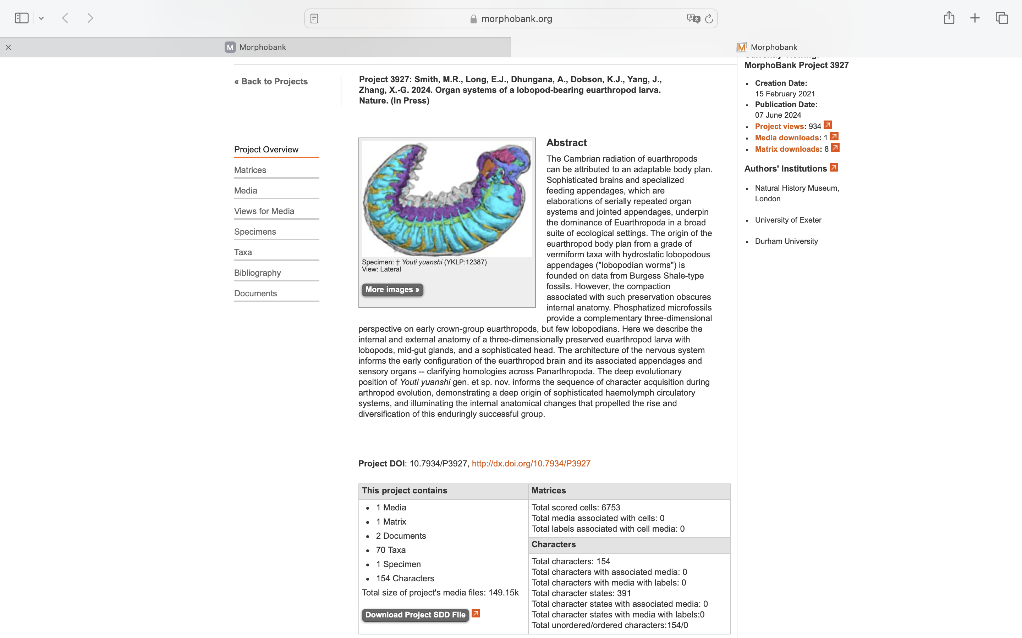
Charlabels | Character Pattern | Unseen States
[1] 'General organization: Paired appendages' | Neomorphic | NO
[2] '[NEW] Head region: Anterodorsal lobe' | Neomorphic | NO
[3] 'Head region: Anterior region covered by sclerites' | Neomorphic | NO
[4] 'Head region: Head shield (cephalic shield) formed by fused cephalic segments' | Transformational | NO
[5] 'Head region: Dorsal isolated sclerite: Shape' | Transformational | YES
[6] 'Head region: Dorsal isolated sclerite: Position' | Transformational | YES
[7] 'Head region: Dorsal isolated sclerite: Reticulate ornament' | Neomorphic | NO
[8] 'Head region: Degree of attachment of dorsal isolated sclerite on head' | Transformational | YES
[9] 'Head region: Isolated lateral sclerites, forming tripartite carapace' | Neomorphic | NO
[10] 'Head region: Isolated lateral sclerites: Shape' | Transformational | YES
[11] '[NEW] Head region: Ventral isolated sclerite' | Neomorphic | NO
[12] 'Head region: Anterior trunk flexure in coronal plane' | Neomorphic | NO
[13] 'Head region: Swelling of anteriormost trunk ' | Neomorphic | NO
[14] 'Head region: Paired anterior projections' | Neomorphic | NO
[15] '[NEW] Head region: Paired anterior projections: Incorporated into lips' | Neomorphic | NO
[16] '[NEW] Oral structures: Mouth opening position' | Neomorphic | NO
[17] '[NEW] Oral structures: Ventral mouth orientation' | Transformational | YES
[18] 'Oral structures: Pre-oral chamber' | Neomorphic | NO
[19] 'Oral structures: Radially arranged circumoral structures' | Neomorphic | NO
[20] '[NEW] Oral structures: Radially arranged circumoral structures: Contact area' | Transformational | YES
[21] 'Oral structures: Differentiated circumoral structures' | Neomorphic | NO
[22] '[New] Oral structures: Differentiated circumoral structures: Enlarged plates' | Transformational | YES
[23] 'Oral structures: Nodes on differentiated circumoral structures' | Neomorphic | NO
[24] 'Oral structures: Furrowed folds on circumoral structures' | Neomorphic | NO
[25] 'Oral structures: Spinose projections from inner face of circumoral structures' | Transformational | NO
[26] 'Oral structures: Expanded anterior gut' | Neomorphic | NO
[27] 'Oral structures: Pharynx eversible' | Neomorphic | NO
[28] 'Oral structures: Sclerotized pharyngeal "teeth"' | Neomorphic | NO
[29] 'Oral structures: Nature of pharyngeal teeth or aciculae' | Transformational | NO
[30] 'Oral structures: Arrangement of pharyngeal teeth or aciculae' | Transformational | YES
[31] '[NEW] Oral structures: Extent of pharyngeal teeth' | Transformational | NO
[32] 'Ocular structures' | Neomorphic | NO
[33] 'Ocular structures: Number' | Transformational | YES
[34] 'Ocular structures: Compound eyes' | Neomorphic | NO
[35] 'Ocular structures: Compound eyes: Attachment' | Neomorphic | NO
[36] 'Ocular structures: Compound eyes: Posterior displacement' | Transformational | YES
[37] 'Arthrodial membranes' | Neomorphic | NO
[38] '[New] Cephalic/anterior appendages: Post-ocular (post-protocerebral) appendages: Arthrodial membranes' | Neomorphic | NO
[39] 'Cephalic/anterior appendages: Pre-ocular (protocerebral) limb pair: Structurally differentiated from trunk appendages' | Neomorphic | NO
[40] '[New] Cephalic/anterior appendages: Protocerebral appendage pair: Sclerotization' | Neomorphic | NO
[41] 'Cephalic/anterior appendages: Protocerebral appendage pair: Podomeres' | Neomorphic | NO
[42] 'Cephalic/anterior appendages: Protocerebral appendage pair: Position' | Transformational | YES
[43] 'Cephalic/anterior appendages: Protocerebral appendage pair: Posterior shift' | Neomorphic | NO
[44] 'Cephalic/anterior appendages: Protocerebral appendages: Directly adjacent to one another' | Transformational | NO
[45] '[NEW] Cephalic/anterior appendages: Protocerebral appendages: Basal adjacency' | Transformational | NO
[46] 'Cephalic/anterior appendages: Protocerebral appendages: Mechanical fusion' | Transformational | NO
[47] '[New] Cephalic/anterior appendages: Protocerebral appendage pair: Loss of claws' | Neomorphic | NO
[48] 'Cephalic/anterior appendages: Protocerebral appendage pair: Spine series' | Neomorphic | NO
[49] 'Cephalic/anterior appendages: Protocerebral appendages: Spine/spinules: Number' | Transformational | NO
[50] 'Cephalic/anterior appendages: Protocerebral appendages: Spine/spinules: Height' | Transformational | YES
[51] '[NEW] Cephalic/anterior appendages: Protocerebral appendages: Spine/spinules: Accessory spines' | Neomorphic | NO
[52] '[NEW] Cephalic/anterior appendages: Protocerebral appendages: Spine/spinules: Accessory spine distribution' | Transformational | YES
[53] 'Cephalic/anterior appendages: Protocerebral appendages: Spine/spinules: Alternation' | Neomorphic | NO
[54] 'Cephalic/anterior appendages: Protocerebral appendages: Spine/spinules: Width' | Transformational | YES
[55] '[NEW] Cephalic/anterior appendages: Protocerebral appendages: Spine/spinules: Base to tip thickness' | Transformational | NO
[56] 'Cephalic/anterior appendages: Protocerebral appendage pair: Multifurcate distal termination' | Neomorphic | NO
[57] 'Cephalic/anterior appendages: Protocerebral appendages: Podomere differentiation' | Neomorphic | NO
[58] 'Cephalic/anterior appendages: Protocerebral appendages: Distally tapering podomeres' | Transformational | YES
[59] 'Cephalic/anterior appendages: Protocerebral appendages: Kink' | Neomorphic | NO
[60] 'Cephalic/anterior appendages: Protocerebral appendages: Pincer' | Neomorphic | NO
[61] 'Cephalic/anterior appendages: Protocerebral appendages: Outer spines' | Neomorphic | NO
[62] 'Cephalic/anterior appendages: Protocerebral appendages: Spine series tip orientation' | Transformational | YES
[63] 'Cephalic/anterior appendages: Protocerebral spine series: Lateral spine series' | Transformational | NO
[64] 'Cephalic/anterior appendages: Protocerebral appendages: Accessory gnathal spines' | Transformational | NO
[65] 'Cephalic/anterior appendages: Nature of post-ocular lobopodous inner branch' | Transformational | YES
[66] 'Cephalic/anterior appendages: Deutocerebral limb pair structurally differentiated from trunk appendages' | Neomorphic | NO
[67] 'Cephalic/anterior appendages: Nature of sclerotized first post-ocular (deutocerebral) appendage' | Transformational | YES
[68] 'Cephalic/anterior appendages: Nature of lobopodous first post-ocular (deutocerebral) appendage' | Transformational | YES
[69] 'Cephalic/anterior appendages: Inner blade of deutocerebral jaw with diastema' | Neomorphic | NO
[70] 'Cephalic/anterior appendages: Nature of lobopodous second post-ocular (tritocerebral) appendage' | Neomorphic | NO
[71] 'Cephalic/anterior appendages: Nature of arthropodized second post-ocular (tritocerebral) appendage' | Transformational | YES
[72] 'Trunk region: Epidermal segmentation' | Neomorphic | NO
[73] 'Trunk region: Dorsal integument sclerotized and connected by arthrodial membranes' | Neomorphic | NO
[74] 'Trunk region: Sternites connected by arthrodial membranes' | Neomorphic | NO
[75] 'Trunk region: Annulations' | Neomorphic | NO
[76] 'Trunk region: Anterior projection of trunk lacking annulations' | Transformational | YES
[77] 'Trunk region: Organization of trunk annulation' | Transformational | NO
[78] 'Trunk region: Branching of annular rings' | Transformational | NO
[79] 'Trunk region: Metamerically arranged dorsolateral epidermal specializations' | Neomorphic | NO
[80] 'Trunk region: Epidermal specializations: Concavity' | Transformational | NO
[81] 'Trunk region: Epidermal specializations: Evaginations: Proportions' | Transformational | NO
[82] 'Trunk region: Epidermal specializations: Evaginations: Acute distal termination' | Neomorphic | NO
[83] 'Trunk region: Epidermal specializations: Evaginations: Acute distal termination: Curvature' | Transformational | YES
[84] 'Trunk region: Epidermal specializations: Evaginations: Sclerotization' | Transformational | NO
[85] 'Trunk region: Epidermal specializations: Evaginations: Ornament' | Transformational | YES
[86] 'Trunk region: Sclerites consist of a stack of constituent elements' | Neomorphic | NO
[87] 'Trunk region: Epidermal specializations: Maximum number above each leg pair' | Transformational | YES
[88] 'Trunk region: Epidermal specializations: "Secondary" structures' | Neomorphic | NO
[89] 'Trunk region: Epidermal specializations: Consistent size' | Transformational | YES
[90] 'Trunk region: Epidermal specializations: Spacing' | Transformational | NO
[91] '[New] Trunk region: Spines on trunk' | Neomorphic | NO
[92] 'Trunk region: Papillae on trunk annulations' | Transformational | NO
[93] 'Trunk region: Serially repeated mid-gut glands' | Neomorphic | NO
[94] 'Trunk region: Differentiated anterior trunk' | Neomorphic | NO
[95] 'Trunk region: Narrowing posteriad' | Transformational | YES
[96] '[New] Trunk appendages: Sclerotization' | Neomorphic | NO
[97] 'Trunk appendages: Trunk exites' | Neomorphic | NO
[98] 'Trunk appendages: Form of exite' | Transformational | YES
[99] 'Trunk appendages: Exites fused with endopod to form biramous appendage' | Neomorphic | NO
[100] 'Trunk appendages: Dorsal flaps' | Neomorphic | NO
[101] 'Trunk appendages: Exite distribution' | Transformational | YES
[102] 'Trunk appendages: Antero-posteriorly compressed protopodite with gnathobasic endites in post-deutocerebral appendage pair' | Neomorphic | NO
[103] '[NEW] Trunk appendages: Shape of lobopodous appendages' | Transformational | YES
[104] 'Trunk appendages: Secondary structures on non-sclerotized (lobopodous) limbs' | Neomorphic | NO
[105] 'Trunk appendages: Nature of secondary structure' | Transformational | YES
[106] 'Trunk appendages: Length of spines on secondary structure' | Transformational | YES
[107] 'Trunk appendages: Papillae on non-sclerotized (lobopodous) limbs' | Neomorphic | NO
[108] 'Trunk appendages: Papillae with terminal spine' | Neomorphic | NO
[109] 'Trunk appendages: Finger-like elements in distal tip of limbs' | Neomorphic | NO
[110] 'Trunk appendages: Claws on trunk limbs' | Neomorphic | NO
[111] '[NEW] Trunk appendages: Claws: Morphology' | Transformational | NO
[112] '[NEW] Trunk appendages: Claw position' | Transformational | YES
[113] 'Trunk appendages: Terminal claws with multiple branches' | Neomorphic | NO
[114] 'Trunk appendages: Maximum number of claws on walking limbs' | Transformational | YES
[115] 'Trunk appendages: Number of claws varies between appendages' | Transformational | NO
[116] 'Trunk appendages: Nature of claws on each trunk limb' | Transformational | NO
[117] 'Trunk appendages: Differentiated distal foot in lobopodous trunk limbs' | Neomorphic | NO
[118] 'Trunk appendages: Strengthening rays in lateral flaps' | Neomorphic | NO
[119] 'Trunk appendages: Posterior tapering of lateral flaps' | Transformational | NO
[120] 'Trunk appendages: Anteriormost limb pair hypertrophied' | Neomorphic | NO
[121] 'Trunk appendages: Anterior limbs reduced' | Neomorphic | NO
[122] 'Trunk appendages: Number of limbs on differentiated anterior trunk' | Transformational | YES
[123] 'Trunk appendages: Nature of lobopodous limbs on differentiated anterior trunk' | Transformational | YES
[124] 'Trunk appendages: Appendages comprise 15 or more podomeres' | Transformational | NO
[125] 'Posterior termination: Limbless posterior extension of the lobopodous trunk' | Neomorphic | NO
[126] 'Posterior termination: Posterior tagma composed of three paired lateral flaps' | Neomorphic | NO
[127] 'Posterior termination: Posteriormost pair of trunk appendages structurally differentiated' | Neomorphic | NO
[128] 'Posterior termination: Nature of differentiated posteriormost appendages' | Transformational | YES
[129] 'Posterior termination: Appendicular tail: Nature' | Transformational | YES
[130] '[NEW] Posterior termination: Appendicular tail: Flaps: Morphology' | Neomorphic | NO
[131] 'Posterior termination: Direction of claws on posteriormost appendage pair' | Transformational | YES
[132] 'Neuroanatomy: Ventral nerve cord with paired ganglia' | Neomorphic | NO
[133] 'Neuroanatomy: Dorsal condensed brain' | Neomorphic | NO
[134] 'Neuroanatomy: Number of neuromeres integrated into the dorsal condensed brain' | Transformational | YES
[135] 'Neuroanatomy: Mouth innervation relative to brain neuromeres' | Transformational | YES
[136] 'Neuroanatomy: Circumoral nerve ring' | Neomorphic | NO
[137] 'Neuroanatomy: Ventral nerve cord (VNC) paired' | Neomorphic | NO
[138] 'Neuroanatomy: VNC with morphologically discrete condensed hemiganglia connected by medial commissures' | Neomorphic | NO
[139] 'Neuroanatomy: Paired nerve cord lateralized' | Neomorphic | NO
[140] 'Neuroanatomy: Paired nerve cord bears medial interpedal commissures' | Neomorphic | NO
[141] 'Neuroanatomy: Regularly spaced peripheral nerves along the entire length of the nerve cord' | Neomorphic | NO
[142] 'Neuroanatomy: Nerve cord has orthogonal organization' | Neomorphic | NO
[143] 'Neuroanatomy: Orthogonal nerve cord has complete ring commissures' | Neomorphic | NO
[144] 'Neuroanatomy: Segmental leg nerves shifted anteriorly relative to appendages' | Neomorphic | NO
[145] 'Neuroanatomy: Segmental leg nerves paired' | Neomorphic | NO
[146] 'Neuroanatomy: Stomatogastric ganglion' | Neomorphic | NO
[147] 'Musculature: Heart' | Neomorphic | NO
[148] 'Musculature: Skeletal musculature' | Neomorphic | NO
[149] 'Musculature: Longitudinal peripheral musculature' | Neomorphic | NO
[150] 'Musculature: Ventromedian longitudinal muscle' | Neomorphic | NO
[151] 'Musculature: Longitudinal muscle attachment points' | Transformational | YES
[152] 'Musculature: Circular peripheral musculature' | Neomorphic | NO
[153] 'Musculature: Circular musculature inside longitudinal musculature' | Transformational | NO
[154] 'Musculature: Box-truss' | Neomorphic | NO

